Home
Home Screen

Time
Now
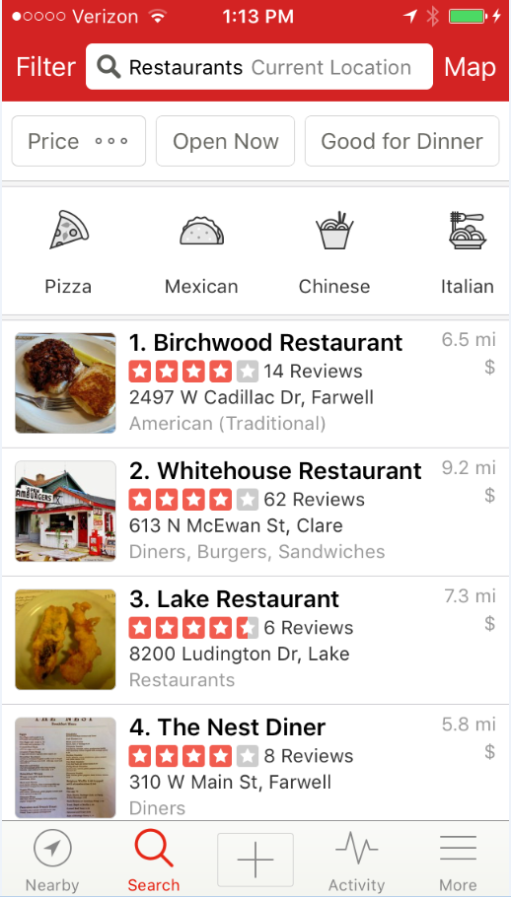

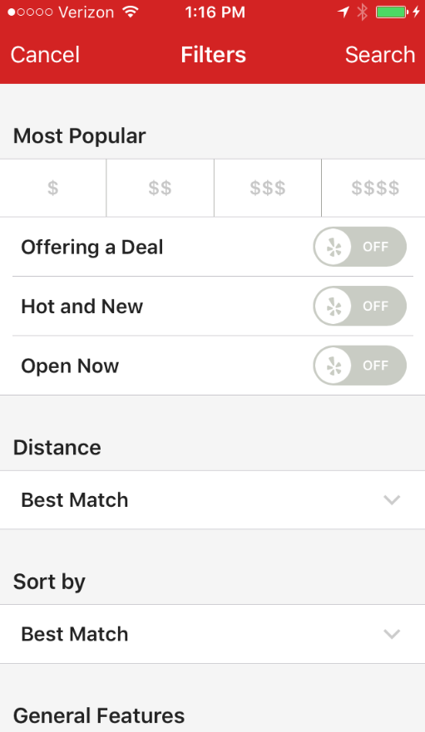
Food or Drink
Both
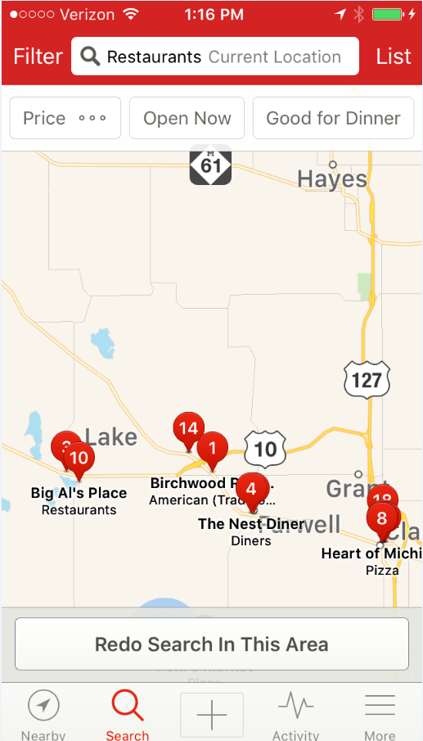

Cuisine
All

Alcohol
With & Without

Outdoor Seating
With & Without

Location
Current

Distance
Map

Sort By
Distance

WiFi
With & Without

Time
Home

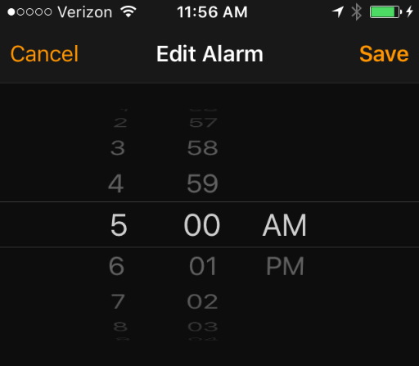

Select Time

